Title
Handbook: Policy Exception Management

Topics | Excel Tab
What is Policy Exception? | Intro
What does Policy Exception Management do? | Intro
Where can Policy Exception be used by the User? | Intro
What's configurable? | Intro
Is Policy Exception its own Object? | Intro
User Story | User Test Guide
Can it be Automated? | Automated Policy Exception GOLD
Best Practice while configuring | Automated Policy Exception GOLD
Configuration values | Workbook

Intro
Into - Policy Exception Management

What is Policy Exception?
The Policy Exception feature can be found in the Loan interface allowing Users to use templates to document a policy exception, explain the reason for the exception, and mitigate it. These policy exceptions standardize and explain variations from the standard loan process. For example, a template can be created for a missing document required for a loan and specify its severity, as well as acceptable reasons for granting this exception to allow the policy exception to be mitigated. Create different types of policy exceptions and mitigating reasons to specify exactly what is needed on a given loan.
How do I mitigate a exception?
The User will have the ability to select reasons to help define why they are granting an exception for this customer.
How do I know if a Exception has been Mitigated?
When Editing and CURRENT Exception, User can updated the Exception Status using the drop down.
Where can Policy Exception be used by the User?
This feature will appear on the Loan UI on the left hand side of the screen where the user can click on this feature and start the policy exception process
What's configurable?
- Policy Exception Template
- Policy Exception Reasons
- What stage should the Policy Exception appear
- Which profiles should be able to perform a Policy Exception
IMPORTANT: Chatter must be enabled in order for Policy Exception Management to run.

User Test Guide
Add a Policy Exception

1. Go to any Loan Record
2. Click the route group Policy Exception, located on the Left Hand Side of the Loan Record
3. Manage Policy Exceptions screen will appear. Inside the screen will display all active exceptions.
4. Click button Add an Exception to start the new exception for the Loan
5. A pop up will appear asking the User to fill in X fields. The displayed fields are configurable
6. Click save.
7. Policy Exceptions screen will automatically update along with the list adding the Policy Exception the User just created
Type (1): Select from the options that have been made available to you by your administrator. In this example, types might be Collateral or Policy. The Type you use also affects the available fields.
Account (2): Select the corresponding account.
Policy Exception Name (3): Select the correct policy exception. Available options are determined by the choice you made for Type.
Severity (4): Select a severity rating. The available severity options are predetermined by your administrator based on the type of policy exception.
Severity Value (5): Enter a severity value.

Add a Mitigation

1. Add a mitigation reason to a policy exception, click the caret to open the Mitigation Reason menu.
2. Complete the appropriate fields to add a Mitigation Reason.
3. ​Click Update Exception.
4. After you submit a Mitigation Reason, the activity, including the text of a comment, populates in the Policy Exception screen in Exception Activity
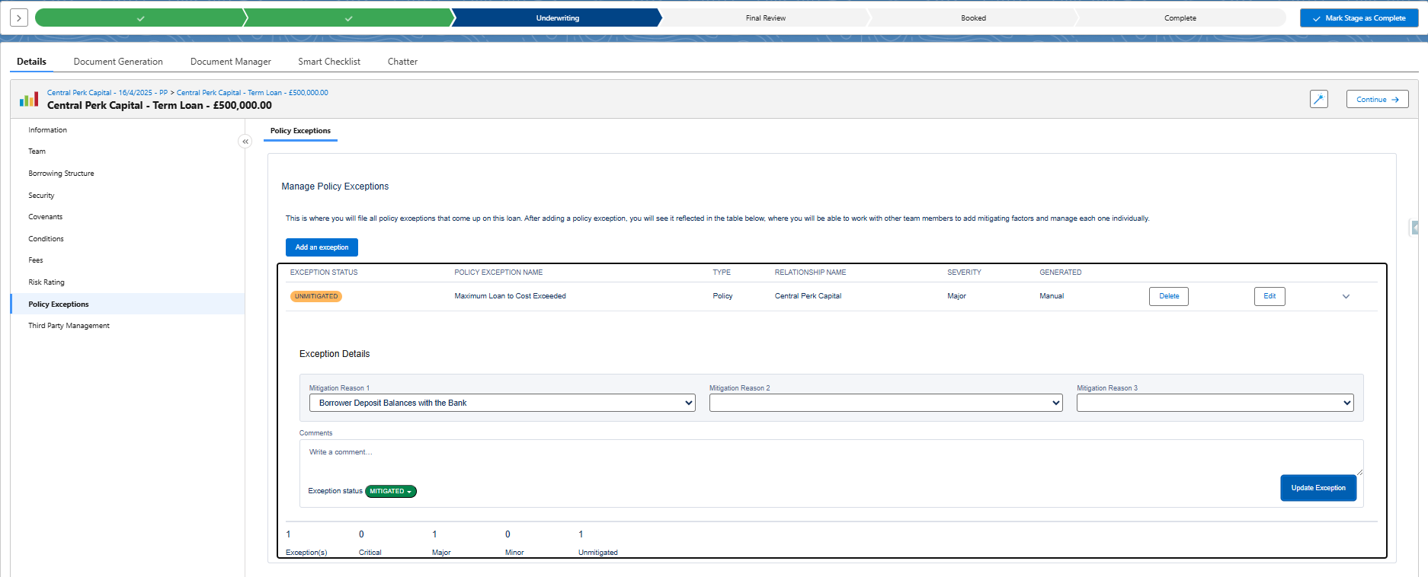
Mitigation Reasons (1): Choose a mitigation reason from the drop-down menu. These mitigation reasons are pre-configured. Once you choose Mitigation Reason 1, you no longer see the chosen reason available for Mitigation Reason 2 or Mitigation 3.
Write a comment (2): Add a comment. This comment displays in Chatter and in Exception Activity. If a comment is required for this Mitigation Reason, then you cannot submit until a comment is written in this field. Additionally, the Update Exception button is unavailable until you enter a comment.
Note: Administrators can set what displays in Chatter.
Exception Status (3): Select an exception status. The default status is Mitigated.

